openFrame
openFrame components
You can fabricate these components using the openFrame CAD files or they can be purchased from from Cairn Research Ltd

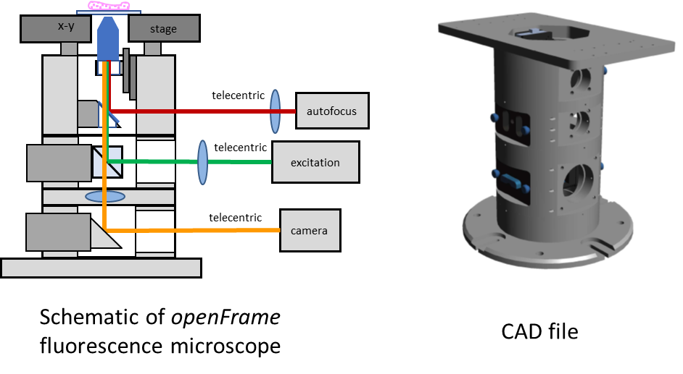
Stage adapter layer | 1
Focusing layer | 1
65mm standard layer | 2
Base layer | 1
Piezo stage mount (precise alignment)
Cube insert (32mm Cairn) | 3
Cube adapter (25mm Cairn / Thorlabs) | 2
C Mount port | 1
Sideport mirror mount | 1
35mm silver coated right angled mirror (Edmund Optics) |  | #89-632
Blanking plate | 3
Mounting feet for botton port

Set of tools, screws etc | 1
Total cost ~£3200

Excitation sources
Lasertack diode lasers mounted in metal boxes

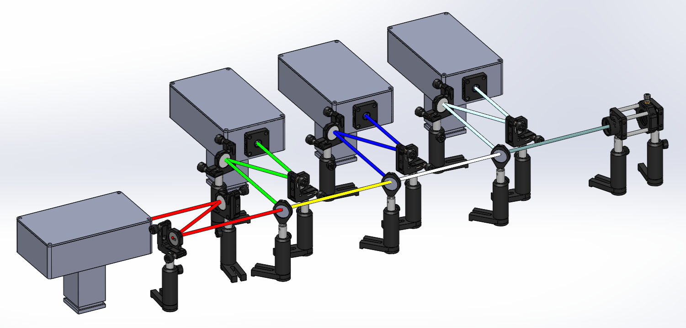
Laser:
405 nm, 350mW, (with laserdriver) | 1 | Lasertack | LDM-405-350-C
462 nm, 1400mW, (with laserdriver) | 1 | Lasertack | LDM-462-1400-C
520 nm, 1000mW, (with laserdriver) | 1 | Lasertack | LDM-520-1000-C
635 nm, 700mW, (with laserdriver) | 1 | Lasertack | LDM-638-700-C
Metal box | 4 | RS | 508-7377
Post for laserbox | 4 | DIY
Total cost ~£1550

Controller for Lasertack diode lasers
laser driver:
MB-5 box | 4 | RS | 401-9610
Arduino uno | 4 | RS | 769-7409
jumper wires | 4 | RS | 791-6454
jumper wires female/female | 4 | RS | 791-6450
res 29.4kO | 1 | RS | 683-3421
res 20kO | 1 | RS | 125-1166
cap 100nF | 1 | RS | 711-1396
headers 1 | 1 | RS | 681-2988
headers 2 | 1 | RS | 681-2963
board | 4 | RS | 897-1635
ps 12V | 4 | RS | 880-8372
serial male | 1 | RS | 472-758
serial female | 1 | RS | 472-764
serial cable | 8 | RS | 182-8783
DAC TLV5618 | 4 | Mouser | 595-TLV5618AIP
kettle lead | 4 | RS | 426-389
power socket | 4 | RS | 487-832
USB cable | 4 | RS | 182-8833
Total cost ~£410

Components for beam combiner and fibre launch
Optomechanics:
 | amount | company | number
mirror mount with mirror | 8 | Thorlabs | KM100-E02
beam combiner mount | 3 | Thorlabs | FMP1/M
exitation filter mount | 4 | Thorlabs | CP32/M
posts | 13 | Thorlabs | TR75/M
post holders | 13 | Thorlabs | UPH75/M
lens mount | 2 | Thorlabs | CP33/M
lens | 1 | Thorlabs | AC254-030-A-ML
rods | 1 | Thorlabs | ER3-P4
xy mount | 1 | Thorlabs | CXY1
fiber plate FPC | 1 | Thorlabs | SM1FC
fiber plate APC | 1 | Thorlabs | SM1FCA
fiber 50 µm core APC | 1 | Thorlabs | FG050UGA-CUSTOM
fiber 100 µm core APC | 1 | Thorlabs | FG100UGA-CUSTOM
Total cost ~£1600

Filters:
405/10nm OD4 12.5mm | 1 | Edmund | 65072
467/10nm OD4 12.5mm | 1 | Edmund | 39308
636/10nm OD4 12.5mm | 1 | Edmund | 65106
520/10nm OD4 12.5mm | 1 | Edmund | 65093
427LP dichroic 25mm | 1 | Edmund | 86389
482LP dichroic 25mm | 1 | Edmund | 86324
613LP dichroic 25mm | 1 | Edmund | 86394
Total cost ~£1000

Total for 4-line exciation source | ~4560

openExcite
Fibre TIRF/epi-illuminator for SM30 port

Item | Supplier | Part # | Quantity | Notes
Fibre connector [FC-APC] | Thorlabs | SM1FCA | 1 | Only if your fibre is an FC-APC one
Lens tube | Thorlabs | SM1L15 | 1 | Need to cut off approx 10mm
Slotted lens tube for fibre connector | Thorlabs | SM1L20C | 1 | To allow easy adjustment for collimation
Fibre collimating lens [45mm] | Thorlabs | AC254-045-A | 1
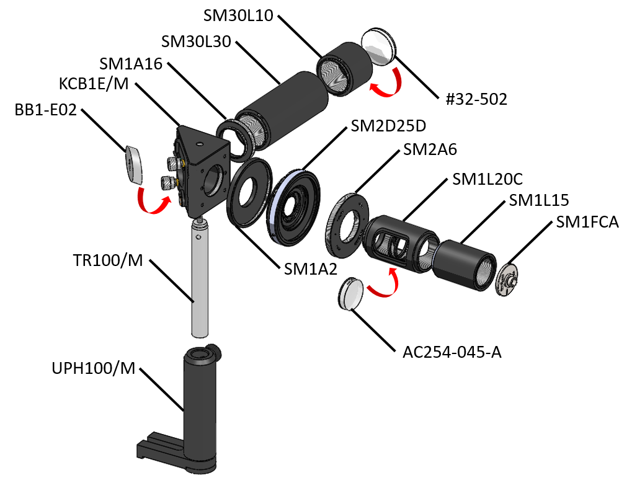
SM1 to SM2 adapter | Thorlabs | SM2A6 | 1
25mm clear aperture iris | Thorlabs | SM2D25D | 1
SM2 to SM1 adapter | Thorlabs | SM1A2 | 1
90 degree kinematic mount (elliptical hole) | Thorlabs | KCB1E/M | 1
1" elliptical mirror (EO2 coating) | Thorlabs | BBE1-E02 | 1
100mm post holder | Thorlabs | UPH100/M | 1
100mm post | Thorlabs | TR100/M | 1
SM1 to SM30 adapter | Thorlabs | SM1A16 | 1
Tube lens tube | Thorlabs | SM30L30 | 2
Tube lens tube | Thorlabs | SM30L10 | 1
30mm diameter lens [150mm] from Edmund | Edmund Optics | #32-502 | 1
Total cost ~£665

This illuminator can also be fitted to an Olympus IX71/81 micrscope and adapted for other microscopes

Camera port
SM30 camera port
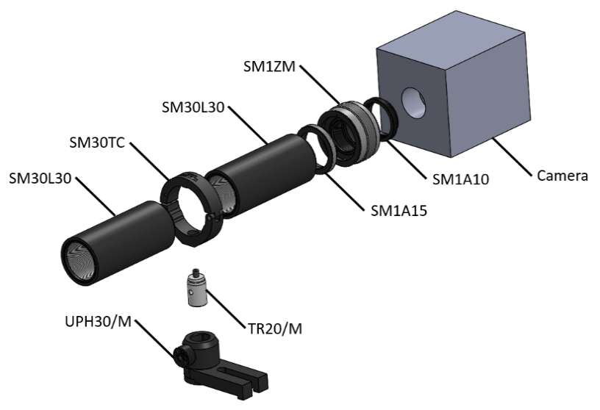
Item | Supplier | Part # | Quantity | Notes
SM1 to c-mount adapter | Thorlabs | SM1A10 | 1
Non-rotating translating SM1 mount | Thorlabs | SM1ZM | 1
SM30 to SM1 adapter | Thorlabs | SM1A15 | 1
SM30 threaded tube 3" | Thorlabs | SM30L30 | 2 | Cut one to length if needed
SM30 tube clamp | Thorlabs | SM30TC | 1
Post assembly, 30mm | Thorlabs | UPH30/M | 1
Post, 20mm | Thorlabs | TR20/M | 1
SM1 Tube, 10mm | thorlabs | SM1L03 | 1
Total cost ~£300

Lower cost cameras for STORM
sCMOS camera |  |  |  | ~£5000 - £15000
fan-cooled IMX183 mono | Cairn Research Ltd | Cellcam |  | <£1000
uncoooled CMOS camera | Basler | aca1920-155umMED |  | <£1000

