openAF (cage system)
openAF - optical autofocus components for use with oil-immersion objective lenses

Choose between common components with (A) self-built cage-based assembly, (B) prefabricated mechanical assembly, or (C) Premade system
Common optomechanics/light source/detection components for options (A) and (B). Not needed for option (C)
Item | Part # | Manufacturer | Quantity | Price | Total | Notes
Autofocus short-pass dichroic (e.g.) Edmund Optics | 69-220 | Edmund Optics | 1 | 140.25 | 140.25
50:50 beamsplitter | 47-026 | Edmund Optics | 1 | 130.05 | 130.05
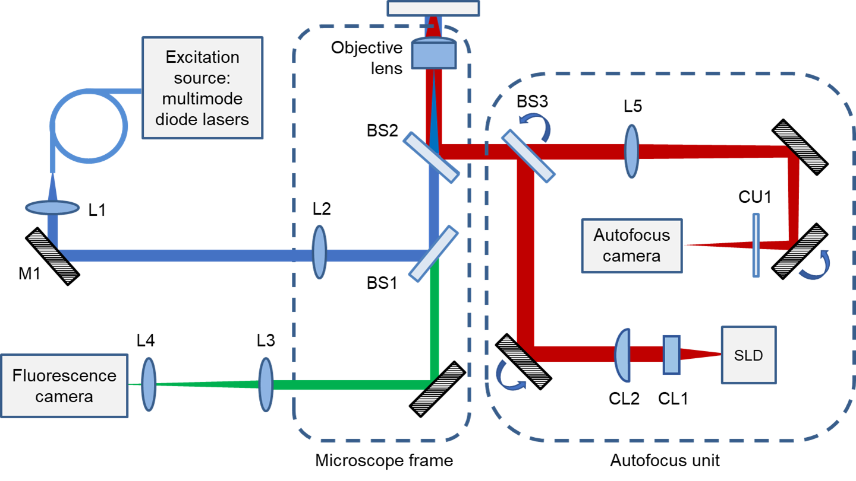
Cylindrical lens CL1 | LJ1227L1-B | Thorlabs | 1 | 77.75 | 77.75
Cylindrical lens CL2 | LJ1960L1-B | Thorlabs | 1 | 54.82 | 54.82
Camera tube lens L5 | AC254-200-B | Thorlabs | 1 | 76.22 | 76.22
Superluminescent diode (wavelength to match autofocus dichroic), fibre-coupled | SLD‐840F50P05S‐TOSA9 | Superlum Diodes Ltd | 1 | 420 | 420
SLD mount with TEC | LDM9T/M | Thorlabs | 1 | 689.06 | 689.06
Superluminescent diode driver | LDC205C | Thorlabs | 1 | 889.94 | 889.94 | It may be possible to use a cheaper diode power supply
Ø25 mm AR-Coated Absorptive Neutral Density Filter, 650-1050 nm | NE10A-B | Thorlabs | 1 | 66.15 | 66.15
CMOS camera | CM3-U3-31S4M | FLIR | 1 | 578 | 578
 |  |  |  |  | 3122.24

(A) Self-assembly openFocus optomechanics
Cage rods 1.5" x4 | ER1.5-P4 | Thorlabs | 1 | 18.02 | 18.02
Cage rods 2" x4 | ER2-P4 | Thorlabs | 2 | 18.8 | 37.6
Cage rods 4" x4 | ER4-P4 | Thorlabs | 3 | 21.89 | 65.67
Cage rod holder x4 | ERSCB-P4 | Thorlabs | 2 | 47.25 | 94.5
Dichroic holding cube | CM1-DCH/M | Thorlabs | 1 | 141.5 | 141.5
SM1 cage plate (SM1 threaded) | CP33/M | Thorlabs | 4 | 14.32 | 57.28
SM1 cage plate (SM05 threaded) | CP32/M | Thorlabs | 1 | 15.19 | 15.19
Right angle kinematic mount | KCB1E/M | Thorlabs | 2 | 163.85 | 327.7
Elliptical 1" mirrors | BBE1-E02 | Thorlabs | 2 | 95.88 | 191.76
Fibre connector [FC-APC] [CHOOSE FIBRE TYPE AS APPROPRIATE] | SM1FCA | Thorlabs | 1 | 26.87 | 26.87 | For attching fibre to AF
30mm cage translator for 1" optics | CXY1A | Thorlabs | 2 | 151.1 | 302.2 | One could be replaced with a kinematic mirror and some cage rods for the camera
SM1 to c-mount adapter | SM1A10 | Thorlabs | 1 | 16.37 | 16.37
75mm post holder [CHECK LENGTH NEEDED FOR YOUR SYSTEM] | UPH75/M | Thorlabs | 3 | 27.31 | 81.93
Post swivel base | UPHA | Thorlabs | 3 | 17.74 | 53.22
75mm post [CHECK LENGTH NEEDED FOR YOUR SYSTEM] | TR75/M | Thorlabs | 3 | 4.61 | 13.83
CUSTOM CL PAIR HOLDER/SPACER | CUSTOM | CUSTOM | 1 |  | 0
CUSTOM SHIELDING | CUSTOM | CUSTOM | 1 |  | 0
 |  |  |  |  | 1443.64

(B) Prefabricated openFocus optomechanical assembly
Cairn openFocus module skeleton (optical/mechanical components not included) - this will require additional parts and assembly/alignment work | TBD | Cairn | 1 | 1200 | 1200

(C) Complete openFocus - all components included
Cairn openFocus module - premade | TBD | Cairn | 1 | 10000 | 10000

The openAF system can be adapted for use with air or water immersion objective lenses (working on reflection from lower surface of coverslip)

Thorlabs and Edmund prices updated on 19/05/2023
Cairn Prices updated 25/07/2023

Excitation sources
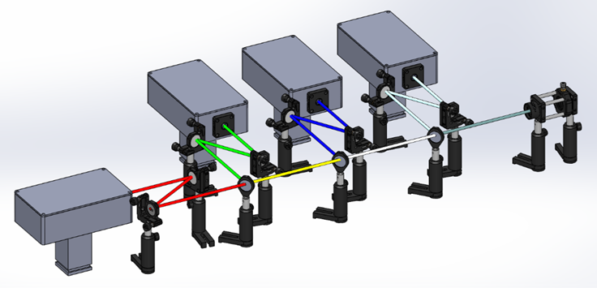
Multimode diode laser excitation sources
(no shielding parts included)
Item | Part # | Manufacturer | Quantity needed | Qty per unit | Price per unit (£, RS prices do not include VAT) | Price per unit (GBP) | Total (GBP) | Notes
Need to choose between (A) Self-assembly 4 line multimode diode laserbank, (B) 6 line proprietary multimode diode laserbank, (C) 7 line proprietary multimode diode laserbank, (D) Self-assembly single line laserbank, (E) other laser sources
(A) Self-assembly 4 line multimode diode laserbank (405/462/520/635 nm - other lasers and dicrhoics can be substituted to change wavelengths available)
405 nm, 350mW, (with laser driver) | LDM-405-350-C | Lasertack | 1 | 1 | EUR 328.30 | 285.621 | £285.62
462 nm, 1400mW, (with laser driver) | LDM-462-1400-C | Lasertack | 1 | 1 | EUR 406.66 | 353.7942 | £353.79
520 nm, 1000mW, (with laser driver) | LDM-520-1000-C | Lasertack | 1 | 1 | EUR 554.99 | 482.8413 | £482.84
635 nm, 700mW, (with laser driver) | LDM-638-700-C | Lasertack | 1 | 1 | EUR 345.83 | 300.8721 | £300.87
Laser driver with TEC controller and Peltier cooler | PD-01359 | Laser tack | 4 | 1 | EUR 135 | 117.45 | £469.80
Metal box | 146-5333 | RS | 4 | 1 | 14.94 | 11.41 | £45.64
Copper post for laserbox | CUSTOM | CUSTOM | 4 | N/A |  | CUSTOM | CUSTOM

MB-5 box | 401-9610 | RS | 4 | 1 | 10.22 | 10.22 | £40.88
Arduino Uno | 769-7409 | RS | 4 | 1 | 20.55 | 20.55 | £82.20
Jumper wires | 791-6454 | RS | 4 | 1 | 3.12 | 3.12 | £12.48
Jumper wires female/female | 791-6450 | RS | 4 | 1 | 3.12 | 3.12 | £12.48
Resistor 29.4kO | 683-3421 | RS | 4 | 25 | 0.525 | 0.525 | £0.08
Resistor 20kO | 125-1166 | RS | 4 | 20 | 2.36 | 2.36 | £0.47
Capacitor 100nF | 711-1396 | RS | 4 | 100 | 5.8 | 5.8 | £0.23
Headers | 681-2988 | RS | 4 | 10 | 1.2 | 1.2 | £0.48
Solderable breadboard | 897-1635 | RS | 4 | 1 | 1.57 | 1.57 | £6.28
DAC TLV5618 | 595-TLV5618AIP | Mouser | 4 | 1 | 12.49 | 12.49 | £49.96
Kettle lead (IEC plug) | 426-389 | RS | 4 | 1 | 9.2 | 9.2 | £36.80
Power socket | 487-832 | RS | 4 | 1 | 6.22 | 6.22 | £24.88
USB cable | 182-8833 | RS | 4 | 1 | 3.82 | 3.82 | £15.28
Power supply | 880-8408 | RS | 4 | 1 | 20.89 | 20.89 | £83.56

Mirror mount 1/2" | KM05/M | Thorlabs | 8 | 1 | 31.64 | 31.64 | £253.12
Mirror mount 1" | KM100 | Thorlabs | 1 | 1 | 31.39 | 31.39 | £31.39
Hex-key thumb screw | HKTS-5/64 | Thorlabs | 1 | 1 | 20.9 | 20.90 | £20.90
1/2" Mirror | BB05-E02 | Thorlabs | 8 | 1 | 41.78 | 41.78 | £334.24
1" Mirror | BB1-E02 | Thorlabs | 1 | 1 | 60.92 | 60.92 | £60.92
Pedestal post | PH20E/M | Thorlabs | 13 | 1 | 20.09 | 20.09 | £261.17 | Look for packs of 5
Posts | TR30/M | Thorlabs | 13 | 1 | 4.04 | 4.04 | £52.52 | Look for packs of 5
Clamping fork | CF125C/M | Thorlabs | 13 | 1 | 9.44 | 9.44 | £122.72 | Look for packs of 5
Beam combiner mount | FMP1/M | Thorlabs | 3 | 1 | 13.81 | 13.81 | £41.43
SM1 cage plate | CP33/M | Thorlabs | 3 | 1 | 14.32 | 14.32 | £42.96
Adjustable iris | SM1D12D | Thorlabs | 1 | 1 | 57.44 | 57.44 | £57.44
Extension Rods | ER3-P4 | Thorlabs | 1 | 1 | 20.34 | 20.34 | £20.34
Extension Rods | ER05-P4 | Thorlabs | 2 | 1 | 15.57 | 15.57 | £31.14 |  | 27.31
XY mount | CXY1A | Thorlabs | 1 | 1 | 151.1 | 151.10 | £151.10 |  | 17.74
Fibre plate FC/PC | SM1FC | Thorlabs | 1 | 1 | 25.33 | 25.33 | £25.33 |  | 4.61
Fibre plate APC | SM1FCA | Thorlabs | 1 | 1 | 26.87 | 26.87 | £26.87
Coupling lens | A260TM-A | Thorlabs | 1 | 1 | 72.72 | 72.72 | £72.72
SM1 to M9 x 0.5 Lens Cell Adapter | S1TM09 | Thorlabs | 1 | 1 | 19.66 | 19.66 | £19.66

405/10nm OD4 12.5mm | 65-072 | Edmund Optics | 1 | 1 | 136 | 136.00 | £136.00
467/10nm OD4 12.5mm | 39-308 | Edmund Optics | 1 | 1 | 136 | 136.00 | £136.00
636/10nm OD4 12.5mm | 65-106 | Edmund Optics | 1 | 1 | 136 | 136.00 | £136.00
427LP dichroic 25mm | 86-389 | Edmund Optics | 1 | 1 | 225.25 | 225.25 | £225.25
480LP dichroic 25mm | 86-391 | Edmund Optics | 1 | 1 | 191.25 | 191.25 | £191.25 | 482 no longer in stock (86-324)
613LP dichroic 25mm | 86-394 | Edmund Optics | 1 | 1 | 225.25 | 225.25 | £225.25

 |  |  |  |  |  | TOTAL | £4,980.36

(B) 6 line proprietary multimode diode laserbank (405/445/470/520/530/640 nm)
LDI-6 - 6 line laser diode illuminator (lines should match filter cube) | D89/15000-06 | Cairn | 1 | 1 |  | 14957.02 | £14,957.02
Fibre patch cord for multiline illuminator | M93L02 | Thorlabs | 1 | 1 |  | 178.73 | £178.73

 |  |  |  |  |  | TOTAL | £15,135.75

(C) 7 line proprietary multimode diode laserbank (405/445/470/520/530/555/640 nm)
LDI-7 - 7 line laser diode illuminator (lines should match filter cube) | D89/15000-07 | Cairn | 1 | 1 |  | 22255.76 | £22,255.76
Fibre patch cord for multiline illuminator | BFY400LS02 | Thorlabs | 1 | 1 |  | 301.26 | £301.26
 | ADASMA | Thorlabs | 1 | 1 |  | 13.97 | £13.97
 | M93L02 | Thorlabs | 1 | 1 |  | 178.73 | £178.73

 |  |  |  |  |  | TOTAL | £22,749.72

Multimode diode lasers deliverd by multimode optical fibres (with vibrator) are a cost-effective means to provide the high exctation intensities for SMLM (easySTORM) In principle, any laser engine can be used for excitation and should ideally be delivered via an optical fibre with a FC-APC connector. Single mode lasers may provide superior performance for TIRF but some despeckling may be required (e.g., by vibrating the multimode optical fibre) and the illumination may not be as uniform as that obtained with multimode diode lasers

(D) Self-assembly single line laserbank (choose which laser to use)
CHOOSE A LASER - example used here is: 635 nm, 700mW, (with laser driver) | LDM-638-700-C | Lasertack | 1 | 1 | EUR 345.83 | 300.8721 | £300.87
Laser driver with TEC controller and Peltier cooler | PD-01359 | Laser tack | 1 | 1 | EUR 135 | 117.45 | £117.45
Metal box | 146-5333 | RS | 1 | 1 | 14.94 | 11.41 | £11.41
Copper post for laserbox | CUSTOM | CUSTOM | 1 | N/A | CUSTOM | CUSTOM | CUSTOM
MB-5 box | 401-9610 | RS | 1 | 1 | 10.22 | 10.22 | £10.22

Arduino Uno | 769-7409 | RS | 1 | 1 | 20.55 | 20.55 | £20.55
Jumper wires | 791-6454 | RS | 1 | 1 | 3.12 | 3.12 | £3.12
Jumper wires female/female | 791-6450 | RS | 1 | 1 | 3.12 | 3.12 | £3.12
Resistor 29.4kO | 683-3421 | RS | 1 | 25 | 0.525 | 0.525 | £0.02
Resistor 20kO | 125-1166 | RS | 1 | 20 | 2.36 | 2.36 | £0.12
Capacitor 100nF | 711-1396 | RS | 1 | 100 | 5.8 | 5.8 | £0.06
Headers | 681-2988 | RS | 1 | 10 | 1.2 | 1.2 | £0.12
Solderable breadboard | 897-1635 | RS | 1 | 1 | 1.57 | 1.57 | £1.57
DAC TLV5618 | 595-TLV5618AIP | Mouser | 1 | 1 | 12.49 | 12.49 | £12.49
Kettle lead (IEC plug) | 426-389 | RS | 1 | 1 | 9.2 | 9.2 | £9.20
Power socket | 487-832 | RS | 1 | 1 | 6.22 | 6.22 | £6.22
USB cable | 182-8833 | RS | 1 | 1 | 3.82 | 3.82 | £3.82
Power supply | 880-8408 | RS | 1 | 1 | 20.89 | 20.89 | £20.89

Hex-key thumb screw | HKTS-5/64 | Thorlabs | 1 | 1 | 20.9 | 20.90 | £20.90
Mirror mount 1/2" | KM05/M | Thorlabs | 2 | 1 | 31.64 | 31.64 | £63.28
1/2" Mirror | BB05-E02 | Thorlabs | 2 | 1 | 41.78 | 41.78 | £83.56
Pedestal post | PH20E/M | Thorlabs | 4 | 1 | 20.09 | 20.09 | £80.36
Posts | TR30/M | Thorlabs | 4 | 1 | 4.04 | 4.04 | £16.16
Clamping fork | CF125C/M | Thorlabs | 4 | 1 | 9.44 | 9.44 | £37.76
SM1 cage plate | CP33/M | Thorlabs | 1 | 1 | 14.32 | 14.32 | £14.32
Extension Rods | ER3-P4 | Thorlabs | 1 | 1 | 20.34 | 20.34 | £20.34
Extension Rods | ER05-P4 | Thorlabs | 1 | 1 | 15.57 | 15.57 | £15.57
xy mount | CXY1A | Thorlabs | 1 | 1 | 151.1 | 151.10 | £151.10
fiber plate FC/PC | SM1FC | Thorlabs | 1 | 1 | 25.33 | 25.33 | £25.33
fiber plate APC | SM1FCA | Thorlabs | 1 | 1 | 26.87 | 26.87 | £26.87
Coupling lens | A260TM-A | Thorlabs | 1 | 1 | 72.72 | 72.72 | £72.72
SM1 to M9 x 0.5 Lens Cell Adapter | S1TM09 | Thorlabs | 1 | 1 | 19.66 | 19.66 | £19.66
CHOOSE A FILTER FOR SUPERLUMINESCENCE SUPPRESSION: e.g. 636/10nm OD4 12.5mm | 65-106 | Edmund Optics | 1 | 1 | 136 | 136.00 | £136.00
...

