OPT stand
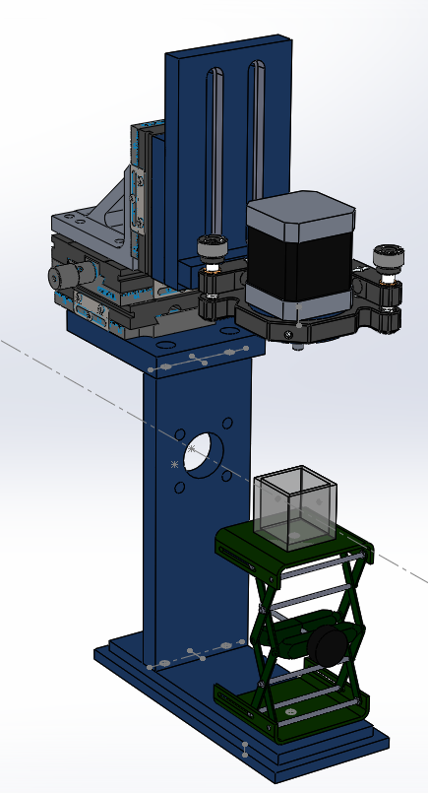
Part # | Description | Manufacturer | Price | Quantity | Total | Note
MECHANICS
KM200 | 2" Kinematic mount | Thorlabs | 57.95 | 1 | £57.95
Z635316-1EA | Lab jack [55x40mm plates] | Sigma Aldrich | 109 | 1 | £109.00
PT3/M | XYZ stage kit (25mm) (3x DTS25/Mr + 1x DTSA bracket) | Thorlabs | 677.03 | 1 | £677.03
Stand for tip/tilt mount, motor adapter | Machined parts | Homemade |  | 1 | £500.00
NM17AS-T4-MC04-HSM8 | Stepper motor | Zaber | 159 | 1 | £159.00 | UK distributor is Laser2000
X-MCB1-KX13BG | Stepper motor controller and PSU | Zaber | 733 | 1 | £733.00 | UK distributor is Laser2000
704-001-30-10 | Cuvette (30mm optical path) | Hellma | 80 | 1 | £80.00 | Price is estimated

TOTAL |  |  |  | Total | £2,315.98

Micro-imaging arm
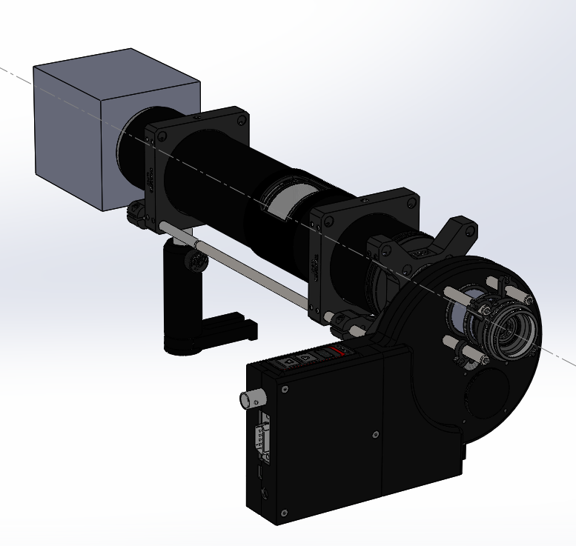
Part # | Description | Manufacturer | Price | Quantity | Total | Note |  | Manufacturer | Price | Quantity | Total
SM1D12CZ | Graduated zero-aperture iris | Thorlabs | 93.93 | 1 | £93.93
ER2-P4 | 6mm rods (2") | Thorlabs | 17.91 | 1 | £17.91
FW102C | Motorized filter wheel | Thorlabs | 908.98 | 1 | £908.98 | Alternative: | Manual 1" filter slider (CFS1/M) | Thorlabs | 124.17 | 1 | £124.17
LCP02/M | X-plate | Thorlabs | 31.65 | 1 | £31.65
ER8-P4 | 6mm rods (8") | Thorlabs | 34.34 | 1 | £34.34
SM1A2 | Adapter with External SM1 Threads and Internal SM2 Threads | Thorlabs | 19.88 | 1 | £19.88
SM2T2 | SM2 (2.035"-40) Coupler, External Threads, 1/2" Long | Thorlabs | 28.21 | 1 | £28.21
SM2L30 | SM2 Lens Tube, 3" Thread Depth, One Retaining Ring Included | Thorlabs | 28.57 | 1 | £28.57
LCP01B | 60 mm Cage Mounting Bracket | Thorlabs | 24.15 | 2 | £48.30
TR50/M | 50mm posts [x5] | Thorlabs | 4.01 | 2 | £8.02
UPH50/M | Universal 50mm post holders with bases[x5] | Thorlabs | 24.75 | 2 | £49.50
LCP09 | 60 mm Cage Plate with Ø2.2" (Ø56.0 mm) Double Bore for SM2 Lens Tube Mounting | Thorlabs | 34.29 | 2 | £68.58
SM2L20C | SM2 Slotted Lens Tube, 2" Thread Depth, 2 Retaining Rings Included | Thorlabs | 63.92 | 1 | £63.92
SM2E60 | SM2 Series Extension Tube, 6" | Thorlabs | 49.71 | 1 | £49.71
AC508-200-A | f = 200.0 mm, Ø2" Achromatic Doublet, ARC: 400 - 700 nm | Thorlabs | 84.41 | 1 | £84.41
SM2A31 | Adapter with External C-Mount Threads and Internal SM2 Threads | Thorlabs | 20.69 | 1 | £20.69
OBJECTIVE | 4X Infinity Plan Achromatic Microscope Objective (AmScope PF4X-INF $67) | AmScope | 100 | 1 | £100.00
THREAD ADAPTER | Adapter for objective to SM1 thread | Thorlabs | 16.4 | 1 | £16.40
FILTERS | DC/ET810/90M , DC/ET525/50M , DC/ET720/60M | Chroma | 299.87 | 3 | £899.61
01-IRIS-9-USB-M-16-C | Camera (ideally want low dark current , large chip size): IRIS 9 | Teledyne Photometrics | 9950 | 1 | £9,950.00 | Alternative: | Cellcam (fan-cooled IMX183 mono) | Cairn Research Ltd | 895 | 1 | £895.00

ESTIMATED TOTAL |  |  |  | Total | £12,522.61

Macro-imaging arm
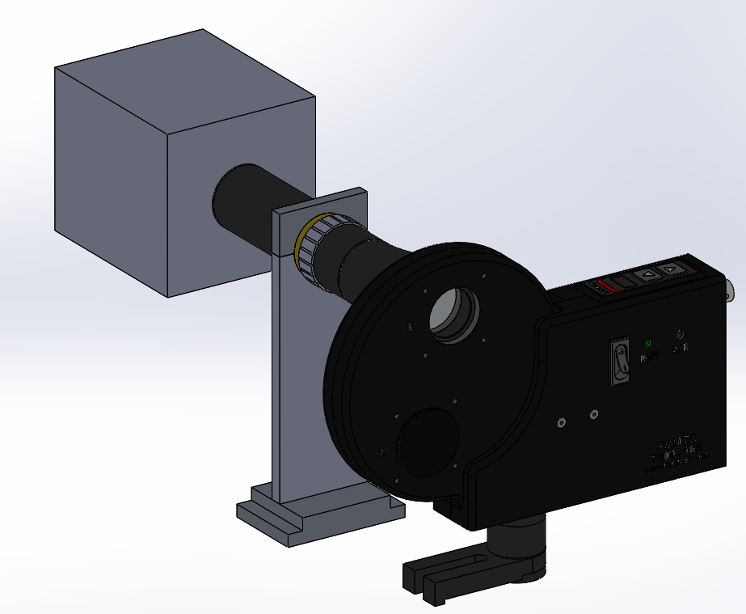
Part # | Description | Manufacturer | Price | Quantity | Total | Note |  | Manufacturer | Price | Quantity | Total
#58-430 | Telecentric lens (1x) | Edmund Optics | 845.75 | 1 | 845.75 | Magnification depends on sample size
HOMEMADE | TL mount | Machined parts |  | 1 | 0
UPH75/M | Universal 30mm post holder with base | Thorlabs | 24.15 | 1 | 24.15
TR50/M | 20mm post | Thorlabs | 3.66 | 1 | 3.66
FW102C | Motorized filter wheel | Thorlabs | 908.98 | 1 | 908.98 | Alternative: | Manual 1" filter slider (CFS1/M) | Thorlabs | 124.17 | 1 | 124.17
FILTERS | DC/ET810/90M , DC/ET525/50M , DC/ET720/60M | Chroma | 299.87 | 3 | 899.61
01-IRIS-9-USB-M-16-C | Camera (ideally want low dark current , large chip size): IRIS 9 | Teledyne Photometrics | £9,950.00 | 1 | 9950 | Alternative: | Cellcam (fan-cooled IMX183 mono) | Cairn Research Ltd | 895 | 1 | 895

ESTIMATED TOTAL |  |  |  | TOTAL | 12632.15

